Download file
ID | Title | Pre-conditions | Steps | Expected result | Actual | Priority | Status
1 | [FlashCard][Download file][Function]Download file successfully, in case: - Click on <TẢI FILE> button | 1.Actor: all users 2.Users have logged into system | 1.The user clicks <TẢI FILE> button | The system download file successfully - Receive vocabulary.xlsx file includes column such as STT, Từ, IPA, Nghĩa của từ | 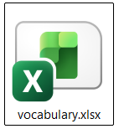 | High | Passed

Use case
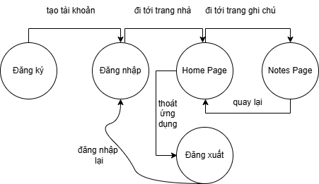
 | events
state | Tạo tài khoản | Đi tới trang nhà | Đi tới trang ghi chú | Quay lại | Thoát ứng dụng | Đăng nhập lại
Đăng ký | ok | N/A | N/A | N/A | N/A | N/A
Đăng nhập | N/A | ok | N/A | N/A | N/A | N/A
Home Page | N/A | N/A | ok | N/A | ok | N/A
Notes page | N/A | N/A | N/A | ok | N/A | N/A
Đăng xuất | N/A | N/A | N/A | N/A | N/A | ok

